Bug Report 1
Bug ID: | 1
Bug Name: | Button "Available on the App Store" from "Discover" menu options doesn't work
Description: | The user can access "About" option from the home page and can access the options from the menu. When access the "Discover" option from the offered buttons when user click the "Available on the App Store" button, a blank page opens with a warning that the page is not working.
Steps to reproduce: | Open Browser: Chrome
 | Go to URL: https://www.pinterest.com/
 | Click "About" in the top right corner of the page
 | Click on the second menu option "Discover" in the top of the page
 | Click on "Available on the App Store" button
Expected Result: | New page opens with App Store Preview where user can download Pinterest application
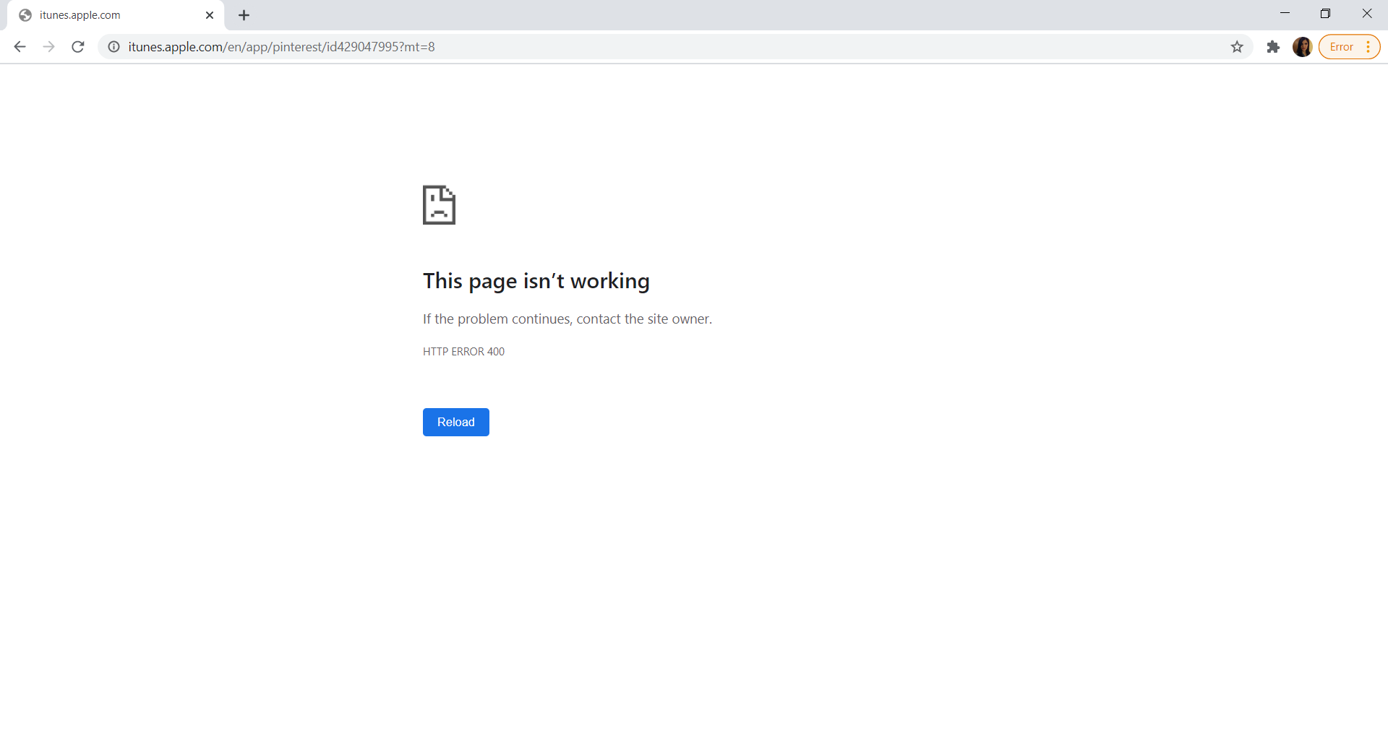
Actual Result: | A blank page opens with the warning "This page isn't working"
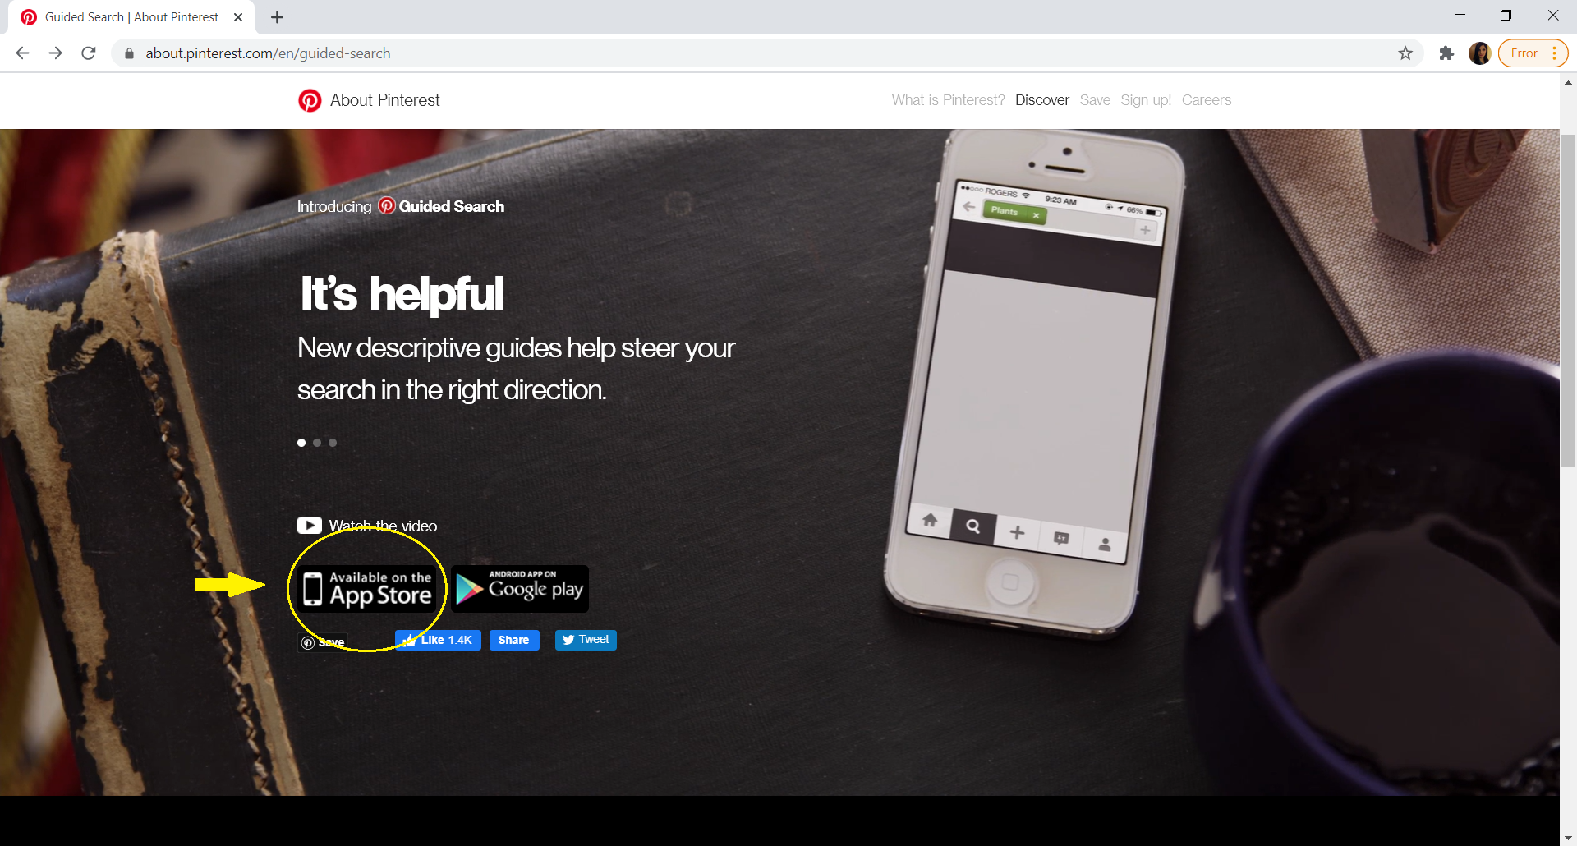
Screenshot:

Repro rate: | 100%
Priority: | Low
Severity: | Low

